About
UT Lift 1.3

Developed at:
The University of Texas at Austin

Funded by Texas Department of Transportation Project (0-5574)
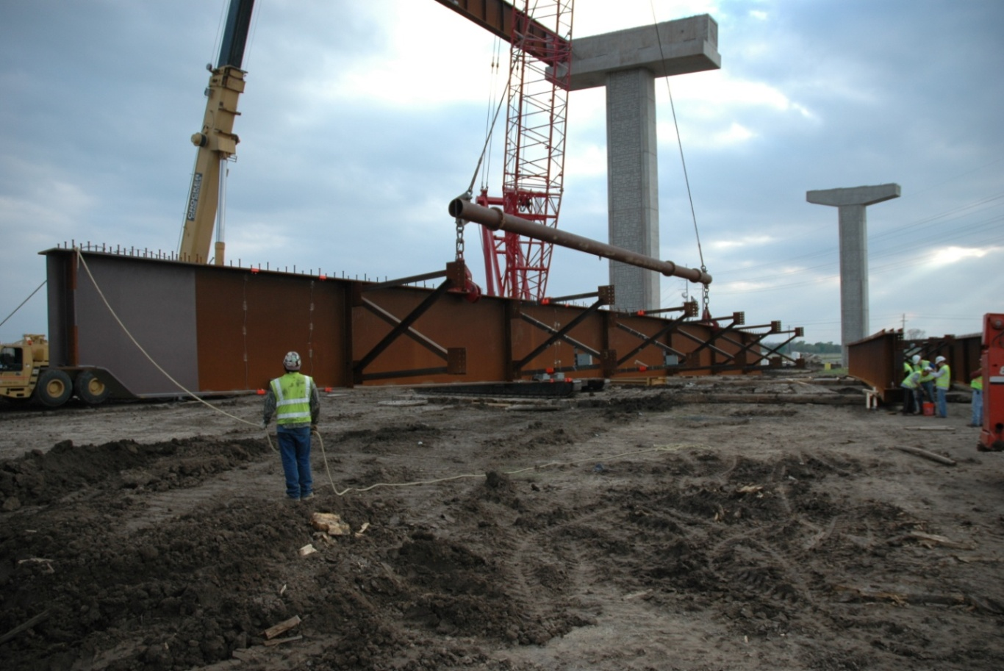

Spreadsheet Developed by:
Dr. Jason Stith

Project Advisors
Dr. Todd Helwig
Dr. Karl Frank
Dr. Michael Engelhardt
Dr. Eric Williamson

Send Comments to Dr. Todd Helwig:
thelwig@mail.utexas.edu

Graphs
Out-of-Plane Displacements
 | Top of Girder | Bottom of Girder | .
0 | 1.1250193404 | 1.3611125093 | 0
4.1813 | 1.1406854889 | 1.370683826 | 0
8.3626 | 1.1563980684 | 1.3802189817 | 0
12.5439 | 1.172128426 | 1.3896560371 | 0
16.7252 | 1.1877960005 | 1.3988953099 | 0
20.9065 | 1.2032666308 | 1.4077980158 | 0
25.0878 | 1.2183179375 | 1.4161937698 | 0
29.2691 | 1.2326119507 | 1.4238866293 | 0
33.4504 | 1.2458279841 | 1.4307762795 | 0
37.6317 | 1.2575846803 | 1.4367806758 | 0
41.813 | 1.2671864486 | 1.44171737 | 0
45.013100004 | 1.2726670278 | 1.444688757 | 0
48.213200008 | 1.276805768 | 1.4469976089 | 0
51.413300012 | 1.2799816924 | 1.4487125705 | 0
54.613400016 | 1.2824961828 | 1.4499036616 | 0
57.813500021 | 1.2845850439 | 1.4506396142 | 0
61.013600025 | 1.2864288823 | 1.450985581 | 0
64.213700029 | 1.2881701321 | 1.4510300105 | 0
67.413800033 | 1.2899067072 | 1.4508457952 | 0
70.613900037 | 1.2916963058 | 1.4504643215 | 0
73.814000041 | 1.2935724772 | 1.4499076407 | 0
77.014100045 | 1.2955469764 | 1.4491879494 | 0
80.214200049 | 1.2976108803 | 1.4483073432 | 0
83.414300054 | 1.2997344793 | 1.4472578402 | 0
86.614400058 | 1.3018659456 | 1.4460216754 | 0
89.814500062 | 1.3039287572 | 1.4445718693 | 0
93.014600066 | 1.3058178414 | 1.442873079 | 0
96.21470007 | 1.3073943814 | 1.4408827455 | 0
99.414800074 | 1.3084792125 | 1.4385525506 | 0
102.61490008 | 1.3088447123 | 1.4358302083 | 0
105.81500008 | 1.3082050681 | 1.432661613 | 0
109.29900007 | 1.306112944 | 1.4286681362 | 0
112.78300007 | 1.3028360575 | 1.4241729945 | 0
116.26700006 | 1.2987082052 | 1.4192672108 | 0
119.75100005 | 1.2939854133 | 1.4140383724 | 0
123.23500004 | 1.2888610327 | 1.4085672981 | 0
126.71900003 | 1.2834782237 | 1.402925282 | 0
130.20300002 | 1.2779252477 | 1.3971612296 | 0
133.68700002 | 1.2722682273 | 1.3913186279 | 0
137.17100001 | 1.2665646503 | 1.3854401594 | 0
140.655 | 1.260847635 | 1.3795517371 | 0

Girder Twist
0 | 1.1161300789 | 0
4.1813 | 1.1092828541 | 0
8.3626 | 1.1023428428 | 0
12.5439 | 1.095272649 | 0
16.7252 | 1.0880507915 | 0
20.9065 | 1.080672076 | 0
25.0878 | 1.0731949156 | 0
29.2691 | 1.0657788701 | 0
33.4504 | 1.0586715153 | 0
37.6317 | 1.0522091128 | 0
41.813 | 1.0469681507 | 0
45.013100004 | 1.0441492071 | 0
48.213200008 | 1.0420934252 | 0
51.413300012 | 1.0404521113 | 0
54.613400016 | 1.0389653428 | 0
57.813500021 | 1.0374454222 | 0
61.013600025 | 1.0357626434 | 0
64.213700029 | 1.0338563564 | 0
67.413800033 | 1.0316984508 | 0
70.613900037 | 1.0292593668 | 0
73.814000041 | 1.0265261872 | 0
77.014100045 | 1.0234994078 | 0
80.214200049 | 1.0201914077 | 0
83.414300054 | 1.0166265968 | 0
86.614400058 | 1.0128432427 | 0
89.814500062 | 1.0088970036 | 0
93.014600066 | 1.0048662176 | 0
96.21470007 | 1.0008590248 | 0
99.414800074 | 0.99702242451 | 0
102.61490008 | 0.99355339777 | 0
105.81500008 | 0.99071225522 | 0
109.29900007 | 0.98857618636 | 0
112.78300007 | 0.98720754102 | 0
116.26700006 | 0.98633357633 | 0
119.75100005 | 0.98576505994 | 0
123.23500004 | 0.98537556784 | 0
126.71900003 | 0.98508436238 | 0
130.20300002 | 0.98484722919 | 0
133.68700002 | 0.98463873843 | 0
137.17100001 | 0.98444225717 | 0
140.655 | 0.98424969043 | 0

Torsion Diagram
0 | 0 | 0 | 0
0.19572697509 | 2.0662911805E-06 | 0.19572697509 | 0
0.19593604009 | 2.0729197502E-06 | 0.19593604009 | 0
0.19635417009 | 2.0862187674E-06 | 0.19635417009 | 0
0.19656323509 | 2.092889474E-06 | 0.19656323509 | 0
0.96448100683 | 0.00024724099636 | 0.96448100683 | 0
0.96469007183 | 0.00024740181081 | 0.96469007183 | 0
0.96510820183 | 0.00024772364583 | 0.96510820183 | 0
0.96531726683 | 0.0002478846687 | 0.96531726683 | 0
2.09023187 | 0.0025166500284 | 2.09023187 | 0
2.090440935 | 0.002517405254 | 2.090440935 | 0
2.090859065 | 0.0025189161492 | 2.090859065 | 0
2.09106813 | 0.0025196718239 | 2.09106813 | 0
3.2159827332 | 0.0091660143384 | 3.2159827332 | 0
3.2161917982 | 0.0091678020458 | 3.2161917982 | 0
3.2166099282 | 0.0091713781628 | 3.2166099282 | 0
3.2168189932 | 0.0091731665687 | 3.2168189932 | 0
3.9847367649 | 0.13442357822 | 3.9847367649 | 0
3.9849458299 | 0.13442632576 | 3.9849458299 | 0
3.9853639599 | 0.13443182171 | 3.9853639599 | 0
3.9855730249 | 0.13443457013 | 3.9855730249 | 0
4.3770269751 | 0.14010816535 | 4.3770269751 | 0
4.3772360401 | 0.1401114867 | 4.3772360401 | 0
4.3776541701 | 0.14011813036 | 4.3776541701 | 0
4.3778632351 | 0.14012145267 | 4.3778632351 | 0
5.1457810068 | 0.15462618615 | 5.1457810068 | 0
5.1459900718 | 0.1546307983 | 5.1459900718 | 0
5.1464082018 | 0.15464002375 | 5.1464082018 | 0
5.1466172668 | 0.15464463704 | 5.1466172668 | 0
6.27153187 | 0.18540736899 | 6.27153187 | 0
6.271740935 | 0.18541426883 | 6.271740935 | 0
6.272159065 | 0.18542806993 | 6.272159065 | 0
6.27236813 | 0.18543497117 | 6.27236813 | 0
7.3972827332 | 0.48350801004 | 7.3972827332 | 0
7.3974917982 | 0.48351767059 | 7.3974917982 | 0
7.3979099282 | 0.48353699334 | 7.3979099282 | 0
7.3981189932 | 0.48354665555 | 7.3981189932 | 0
8.1660367649 | 0.52293741026 | 8.1660367649 | 0
8.1662458299 | 0.52294923557 | 8.1662458299 | 0
8.1666639599 | 0.52297288806 | 8.1666639599 | 0
8.1668730249 | 0.52298471523 | 8.1668730249 | 0
8.5583269751 | 0.54623806093 | 8.5583269751 | 0
8.5585360401 | 0.54625108195 | 8.5585360401 | 0
8.5589541701 | 0.54627712596 | 8.5589541701 | 0
8.5591632351 | 0.54629014894 | 8.5591632351 | 0
9.3270810068 | 0.59868013001 | 9.3270810068 | 0
9.3272900718 | 0.59869567261 | 9.3272900718 | 0
9.3277082018 | 0.59872675997 | 9.3277082018 | 0
9.3279172668 | 0.59874230472 | 9.3279172668 | 0
10.45283187 | 0.69323226125 | 10.45283187 | 0
...

